Break-Even Analysis
W05 Application Activity: Break-Even Analysis

 | Annual Costs (Fixed & Varable) | Annual Revenue
0 | $5,322.72 | $-
16,407 | $10,244.82 | $13,125.60
For instructions, see your Canvas course Modules - W05 Application Activity: Break-Even Analysis. |  | Part 1: Type Your Refreshing Drink's Name Here: | Part 2: Annual Fixed Cost |  |  | Part 3: Price and % of Demand |  |  |  | Part 5: Yearly Cost & Revenue
 |  | Orange Juice | Neighborhood Market Fixed Cost per Month |  |  |  |  | Read Chart ✓ | Price Range ✓ |  |  | Monthly Demand | Price Adjusted Demand
 |  |  | Shop Rental | $327.75 |  | Price | $0.80 | C | C |  | January | 277 | 166
 |  |  | Utilities (power, water, trash) | $115.81 |  | % of Demand | 60% |  |  |  | February | 621 | 373
 |  |  |  |  | ✓ |  |  |  |  |  | March | 1,076 | 646
 |  |  | Annual Fixed Cost | $5,322.72 | C | Part 4: Break-Even Point |  |  |  |  | April | 2,030 | 1,218
 |  |  | Variable Costs | $0.30 |  |  |  | ✓ |  |  | May | 3,261 | 1,957
 |  |  |  |  |  | Break-Even Point (# of cups sold) | 10645 | C |  |  | June | 4,210 | 2,526
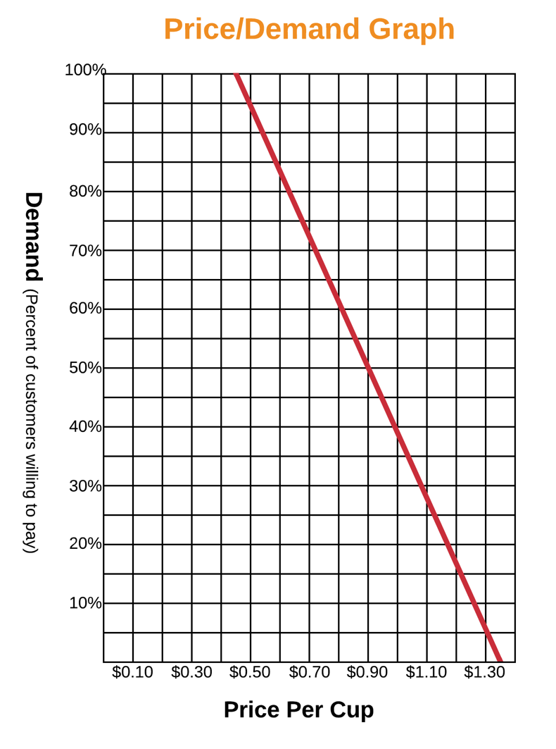
✓ Feedback Key: | C | = Correct |  |  |  | Break-Even Point = Fixed Cost / (Price - Variable Costs) |  |  |  |  | July | 3,122 | 1,873
 | A | = Check Answer, Cell Referencing is Correct |  |  |  |  |  |  |  |  | August | 3,261 | 1,957
 | CR | = Check Cell Referencing, Answer is Correct |  |  |  | Revenue: | $8516 |  |  |  | September | 3,847 | 2,308
 | N | = Not Correct |  |  |  | Cost: | $8516 |  |  |  | October | 2,748 | 1,649
 |  |  |  |  |  |  |  |  |  |  | November | 2,139 | 1,283
 |  |  |  |  |  | *After inputing your break-even point formula, do the Revenue and Cost match? If so, you have properly calculated the break-even point. The break-even point is the number of cups sold when the cost and revenue match. When referring to the chart in Part 5, the break-even point is shown at the intersection of both lines. Any additional cups sold after the break-even point will become profit. |  |  |  |  | December | 753 | 452

 |  |  |  |  |  |  |  |  |  |  |  | Beginning of Year | End of Year

 |  |  |  |  |  |  |  |  |  |  | Total Units (Cups) Sold | 0 | 16,407
 |  |  |  |  |  |  |  |  |  |  | Annual (Fixed and Variable) Costs | $5,323 | $10,245
 |  |  |  |  |  |  |  |  |  |  | Annual Revenue | $0 | $13,126
 |  |  |  |  |  |  |  |  |  |  |  | Annual Net Profit | $2,881
 |  |  |  |  |  |  |  |  |  |  |  | Profit Margin | 22%

